Sheet1
Accuracy of using different embedding method
Data/embedding | articles | vocabulary | without embedding | golve-tweets-100d | glove-wikipedia-100d | Googlenews-300d
bbc-data(20 epoches) | 1835 | 28381 | 0.912 | 0.967 | 0.978 | 0.967
bbc-data(200 epoches) | 1835 | 28381 | 0.978 | 0.978 | 0.981 | 0.983
new-data(20 epoches) | 825 | 18162 | 0.765 | 0.859 | 0.867 | 0.875
new-data(200 epoches) | 825 | 18162 | 0.875 | 0.883 | 0.875 | 0.875

Keywords for Search Tweets
Business | Entertainment | Politics | Tech | Sports
business | fun | government | 4G | athlete
customer | music | trump | data mining | football
profit | movie | economy | agile | golf
manager | star | energy | big data | hockey
staff | game | jobs | science | rugby
money | watch | tax | algorithm | swimming
work | style | war | engine | tennis
market | life | democrats | framework | baseball
company | song | iraq | html | nike
product | celebration | reform | cloud computing | nba

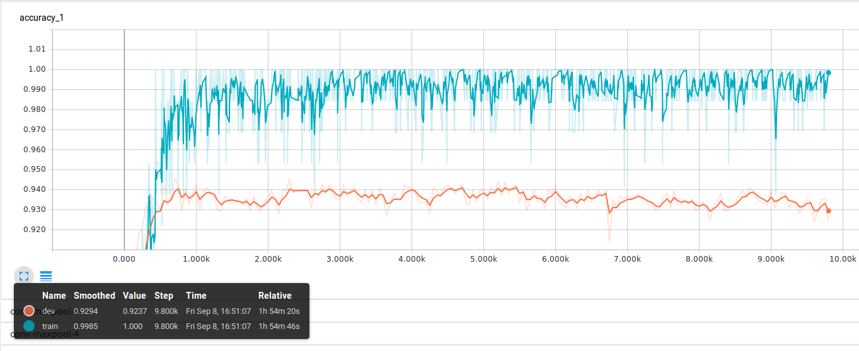
Accuracy of using different embedding method
Data/embedding | articles | vocabulary | Googlenews-300d
bbc-data(100 epoches) | 1197/133 | 19259 | 0.984
new-data(100 epoches) | 5062/562 | 40949 | 0.938
Together (100 epoches) | 6259/695 | 46116 | 0.929

Categories | Glove | DBN
business.txt | 2189 | 2189
enter.txt | 856 | 856
politics.txt | 1073 | 1073
sport.txt | 2160 | 2160
tech.txt | 676 | 676
total | 6954 | 6954

Document length | 40-400 | 15
Total Words | 1,765,293 | 104,310 | 17/1
Unique words | 46116 (2.6%) | 78626 (75%) | 1/1.7
 |  |  |  |  |  |  | Glove | Training | 1 | 1 | 1 | 1 | 1 | 1 | 1 | 1 | 1 | 1 | 1
 |  | Train | Dev |  |  |  |  | Test | 0.93 | 0.93 | 0.93 | 0.93 | 0.93 | 0.93 | 0.92 | 0.93 | 0.93 | 0.93 | 0.929
DBN test using different vocabulary size | 78626 (75% of total words 104310) | 0.986 | 0.303
 | 8889 (8.5% of total words 104310) | 0.843 | 0.333 |  |  |  | DBN | Training | 1 | 1 | 0.98 | 0.98 | 1 | 0.96 | 0.94 | 1 | 1 | 1 | 0.986
 |  | Train | Dev |  |  |  |  | Test | 0.29 | 0.31 | 0.16 | 0.33 | 0.34 | 0.34 | 0.27 | 0.31 | 0.34 | 0.34 | 0.303
DBN test in big vocabulary size(75% of total words 104310) | dbn embedding | 0.986 | 0.303
 | non embedding | 0.98 | 0.23
 |  | Train | Dev
DBN test in small vocabulary size (8.5% of total words 104310) | dbn embedding | 0.843 | 0.333
 | non embedding | 1 | 0.343

 |  |  |  | glove-wikipedia-100d | Googlenews-300d | self-trained-25d
 |  |  | All 6000 news data | 0.981 | 0.983 | 0.936 |  | Origin parameters: prob = 0.5 filters = 128 window_size = 3, 4, 5

 |  |  |  |  |  |  | Comparing of different prob rate
 |  |  |  |  |  |  |  | prob0.5 | prob0.4 | prob0.3 | prob0.2 | prob0.1 | Diff
 |  |  |  |  |  |  | training | 0.986 | 0.985 | 0.978 | 0.959 | 0.927 | 0.013
 |  |  |  |  |  |  | test | 0.931 | 0.919 | 0.914 | 0.921 | 0.914

 |  |  |  |  |  |  | Comparing of different number of filters
 |  |  |  |  |  |  |  | filters_128 | filters_80 | filters_64 | filters_32 | filters_16 | Diff
 |  |  |  |  |  |  | training | 0.986 | 0.985 | 0.98 | 0.973 | 0.957 | 0.037
 |  |  |  |  |  |  | test | 0.931 | 0.931 | 0.92 | 0.922 | 0.92

 |  |  |  |  |  |  | Comparing of different window size
 |  |  |  |  |  |  |  | win345 | win34 | win45 | win5 | win4 | win3 | Diff
 |  |  |  |  |  |  | training | 0.986 | 0.984 | 0.987 | 0.983 | 0.977 | 0.977 | 0.047
 |  |  |  |  |  |  | test | 0.931 | 0.917 | 0.921 | 0.925 | 0.921 | 0.93

 |  |  |  |  |  |  | `
 |  |  |  |  |  |  | Final test with filters_80 win34 prob0.2
 |  |  |  |  |  |  | training | 0.941 | 0.027
 |  |  |  |  |  |  | test | 0.914

Accuracy - Dimentionality
 |  |  |  |  |  |  | Result from DBN using svm
 |  |  |  |  |  |  | Dimention | Accuracy
 |  |  |  |  |  |  | 500d | 37.2
 |  |  |  |  |  |  | 1000d | 54.1
 |  |  |  |  |  |  | 3000d | 72.5
 |  |  |  |  |  |  | 5000d | 81.7
 |  |  |  |  |  |  | 7000d | 86.6

